Sheet1
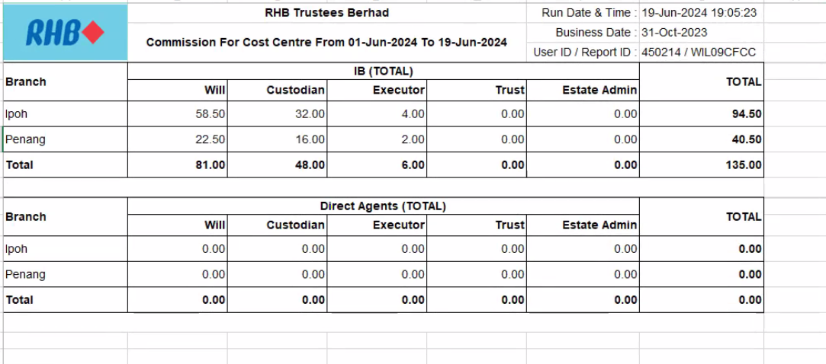
Commission for Cost Centre

